Additional Info
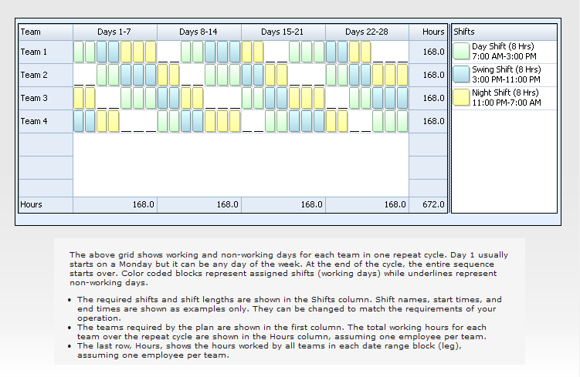
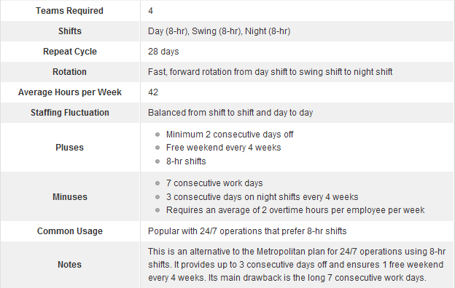
This is a simple employee scheduling template for the Continental rotating shift schedule. Work hours and labor costs are automatically computed based on the prescribed shift patterns, the number of employees on each team, and labor rates.
The Continental shift schedule is a fast rotating schedule that uses 4 teams and three 8-hr shifts to provide 24/7 coverage. Each team rotates through a sequence of 2, 2, and 3 consecutive day shifts, swing shifts, night shifts, or days off. The following is a typical team schedule for a 4-week (28 days) repeat cycle:
· Week 1: 2 day shifts, 3 swing shifts, 2 night shifts
· Week 2: 2 days off, 3 day shifts, 2 swing shifts
· Week 3: 2 night shifts, 3 days off, 2 day shifts
· Week 4: 2 swing shifts, 3 night shifts, 2 days off

